kW by Year
Kilowatts Saved by Year
Row Labels | Sum of kW
2003 | 2,884.0
2004 | 33,465.0
2005 | 16,617.0
2006 | 376,065.0
2007 | 107,872.0
2008 | 89,313.0
2009 | 139,776.0
2010 | 551,841.0
2011 | 1,131,979.0
2012 | 965,337.0
2013 | 698,318.0
2014 | 402,911.0
2015 | 484,034.0
2016 | 662,713.0
2017 | 666,894.0
2018 | 1,275,519.0
2019 | 1,514,304.0
2020 | 413,870.0
Grand Total | 9,533,712.0

kWh & $ by Year
Kilowatt Hours & Savings ($) by Year
Row Labels | Sum of kWh | Sum of Savings ($)
2003 | 18,400 | $20,500
2004 | 100,600 | $35,200
2005 | 86,000 | $262,900
DOLLARS ($)
2006 | 667,500 | $259,500
2007 | 394,900 | $350,300
2008 | 221,400 | $409,300
2009 | 114,700 | $348,800
2010 | 411,300 | $253,600
2011 | 748,000 | $1,353,000
2012 | 914,400 | $740,600
2013 | 914,800 | $1,132,000
2014 | 940,400 | $480,900
2015 | 1,267,000 | $778,900
2016 | 635,600 | $730,300
2017 | 1,039,600 | $790,700
2018 | 1,033,100 | $852,100
2019 | 1,379,300 | $1,439,200
2020 | 1,114,700 | $617,700
Grand Total | 12,001,700 | $10,855,500

$ per Quarter
Average of Savings ($) per Quarter
Row Labels | Average of Savings ($)
Qtr1 | $28,401.25
Qtr2 | $24,092.17
Qtr3 | $25,976.06
Qtr4 | $22,321.05
Grand Total | $25,723.93

$ by State
Total Savings ($) per State
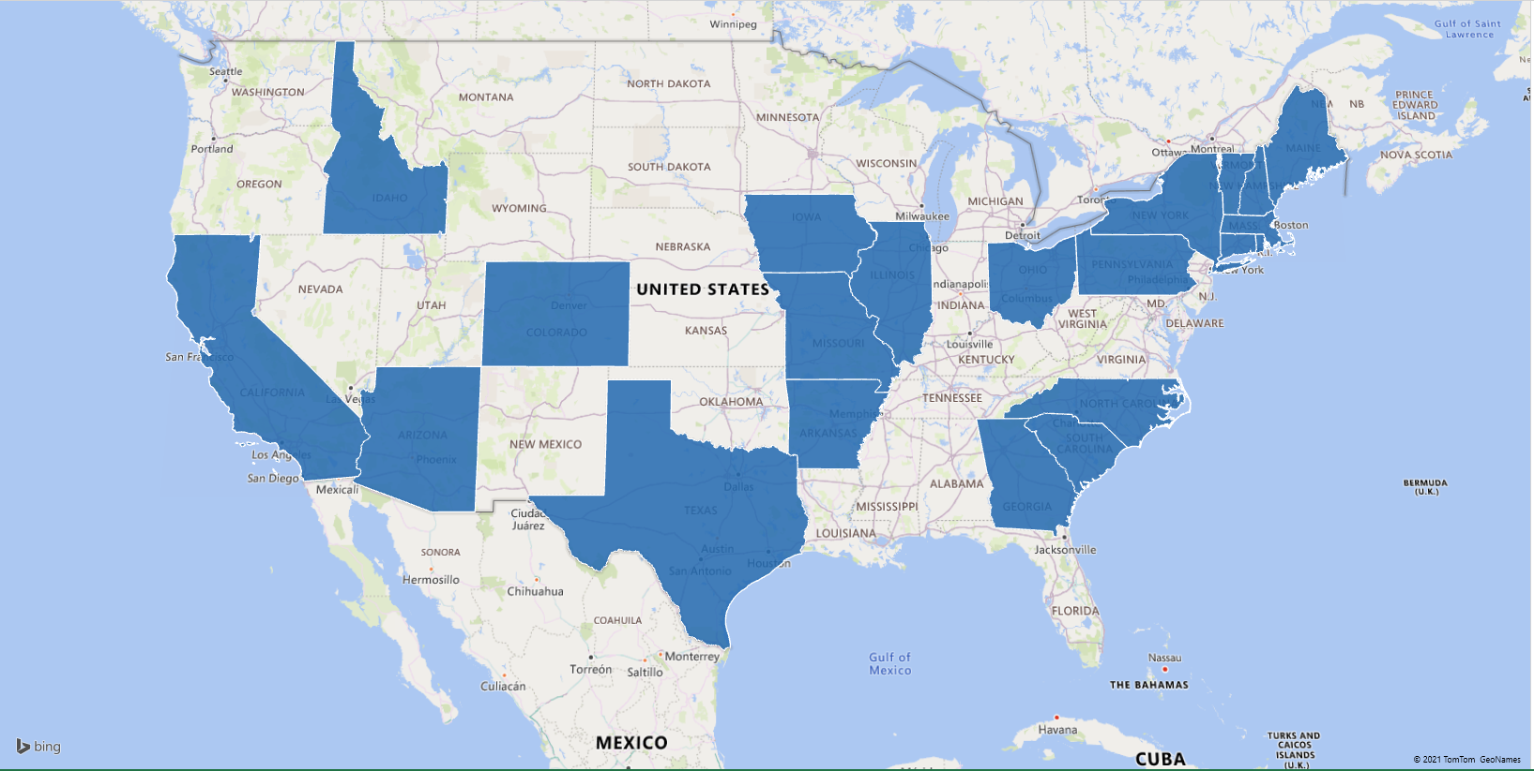
Row Labels | Sum of Savings ($)
AR | $15,900.00
AZ | $7,100.00
CA | $1,100.00
CO | $16,200.00
CT | $618,200.00
GA | $132,700.00
IA | $38,600.00
ID | $3,700.00
IL | $149,600.00
MA | $2,075,900.00
ME | $47,500.00
MO | $8,000.00
MX | $4,100.00
NC | $68,600.00
NH | $6,603,100.00
NY | $166,100.00
OH | $32,200.00
PA | $60,200.00
RI | $46,500.00
SC | $116,400.00
TX | $800.00
VT | $643,000.00
Grand Total | $10,855,500.00

Web Layout


Overall Statistics from CES's reduction of compressed air system energy and enhancement of core processes for industrial facilities, 2003-2020.
- Marketing Dashboard -

Kilowatts Saved by Year
 | Total
2003 | 2,884.0
2004 | 33,465.0
2005 | 16,617.0
2006 | 376,065.0
2007 | 107,872.0
2008 | 89,313.0
2009 | 139,776.0
2010 | 551,841.0
2011 | 1,131,979.0
2012 | 965,337.0
2013 | 698,318.0
2014 | 402,911.0
2015 | 484,034.0
2016 | 662,713.0
2017 | 666,894.0
2018 | 1,275,519.0
2019 | 1,514,304.0
2020 | 413,870.0
Kilowatt Hours & Savings ($) by Year
 | Sum of kWh | Sum of Savings ($)
2003 | 18,400 | $20,500
2004 | 100,600 | $35,200
2005 | 86,000 | $262,900
2006 | 667,500 | $259,500
2007 | 394,900 | $350,300
2008 | 221,400 | $409,300
2009 | 114,700 | $348,800
2010 | 411,300 | $253,600
2011 | 748,000 | $1,353,000
2012 | 914,400 | $740,600
2013 | 914,800 | $1,132,000
2014 | 940,400 | $480,900
2015 | 1,267,000 | $778,900
2016 | 635,600 | $730,300
2017 | 1,039,600 | $790,700
2018 | 1,033,100 | $852,100
2019 | 1,379,300 | $1,439,200
2020 | 1,114,700 | $617,700
Average of Savings ($) by Quarter
 | Total
Qtr1 | $28,401.25
Qtr2 | $24,092.17
Qtr3 | $25,976.06
Qtr4 | $22,321.05
Total Savings ($) per State
 | Total
AR | $15,900.00
AZ | $7,100.00
CA | $1,100.00
CO | $16,200.00
CT | $618,200.00
GA | $132,700.00
IA | $38,600.00
ID | $3,700.00
IL | $149,600.00
MA | $2,075,900.00
ME | $47,500.00
MO | $8,000.00
MX | $4,100.00
NC | $68,600.00
NH | $6,603,100.00
NY | $166,100.00
OH | $32,200.00
PA | $60,200.00
RI | $46,500.00
SC | $116,400.00
TX | $800.00
VT | $643,000.00

Stats by Year (2)
Row Labels | Sum of kWh | Sum of Savings ($)
2003 | 18,400 | $20,500.00
2004 | 100,600 | $35,200.00
2005 | 86,000 | $262,900.00
2006 | 667,500 | $259,500.00
2007 | 394,900 | $350,300.00
2008 | 221,400 | $409,300.00
2009 | 114,700 | $348,800.00
2010 | 411,300 | $253,600.00
Sum of kWh & Savings ($) by Year
2011 | 748,000 | $1,353,000.00
2012 | 914,400 | $740,600.00
2013 | 914,800 | $1,132,000.00
2014 | 940,400 | $480,900.00
2015 | 1,267,000 | $778,900.00
2016 | 635,600 | $730,300.00
2017 | 1,039,600 | $790,700.00
2018 | 1,033,100 | $852,100.00
2019 | 1,379,300 | $1,439,200.00
2020 | 1,114,700 | $617,700.00
Grand Total | 12,001,700 | $10,855,500.00

Stats by State (2)
Row Labels | Sum of kWh | Sum of Savings ($)
AR | 10,400 | $15,900.00
AZ | 6,400 | $7,100.00
CA | 21,400 | $1,100.00
CO | 10,600 | $16,200.00
CT | 1,209,700 | $618,200.00
GA | 2,200 | $132,700.00
IA | 201,300 | $38,600.00
ID | 42,900 | $3,700.00
Sum of kWh & Savings ($) by State
IL | 108,700 | $149,600.00
MA | 2,314,100 | $2,075,900.00
ME | 11,500 | $47,500.00
MO | 500 | $8,000.00
MX | 100 | $4,100.00
NC | 35,100 | $68,600.00
NH | 7,144,600 | $6,603,100.00
NY | 7,500 | $166,100.00
OH | 9,600 | $32,200.00
PA | 171,600 | $60,200.00
RI | 248,000 | $46,500.00
SC | 4,200 | $116,400.00
TX | 63,100 | $800.00
VT | 378,200 | $643,000.00
Grand Total | 12,001,700 | $10,855,500.00

Dashboard
Marketing Dashboard

Energy Efficiency Measure Summary by Year |  |  | Energy Efficiency Measure Summary by State

Sum of kWh & Savings ($) by Year
 | Sum of Savings ($) | Sum of kWh
2003 | $20,500.00 | 18,400
2004 | $35,200.00 | 100,600
2005 | $262,900.00 | 86,000
2006 | $259,500.00 | 667,500
2007 | $350,300.00 | 394,900
2008 | $409,300.00 | 221,400
2009 | $348,800.00 | 114,700
2010 | $253,600.00 | 411,300
2011 | $1,353,000.00 | 748,000
2012 | $740,600.00 | 914,400
2013 | $1,132,000.00 | 914,800
2014 | $480,900.00 | 940,400
2015 | $778,900.00 | 1,267,000
2016 | $730,300.00 | 635,600
2017 | $790,700.00 | 1,039,600
2018 | $852,100.00 | 1,033,100
2019 | $1,439,200.00 | 1,379,300
2020 | $617,700.00 | 1,114,700
Sum of kWh & Savings ($) by State
 | Sum of Savings ($) | Sum of kWh
AR | $15,900.00 | 10,400
AZ | $7,100.00 | 6,400
CA | $1,100.00 | 21,400
CO | $16,200.00 | 10,600
CT | $618,200.00 | 1,209,700
GA | $132,700.00 | 2,200
IA | $38,600.00 | 201,300
ID | $3,700.00 | 42,900
IL | $149,600.00 | 108,700
MA | $2,075,900.00 | 2,314,100
ME | $47,500.00 | 11,500
MO | $8,000.00 | 500
MX | $4,100.00 | 100
NC | $68,600.00 | 35,100
NH | $6,603,100.00 | 7,144,600
NY | $166,100.00 | 7,500
OH | $32,200.00 | 9,600
PA | $60,200.00 | 171,600
RI | $46,500.00 | 248,000
SC | $116,400.00 | 4,200
TX | $800.00 | 63,100
VT | $643,000.00 | 378,200

Row Labels | Sum of kWh | Sum of Savings ($)
2003 | 18,400 | $20,500.00
2004 | 100,600 | $35,200.00 | Row Labels | Sum of kWh | Sum of Savings ($)
2005 | 86,000 | $262,900.00 | AR | 10,400 | $15,900.00
2006 | 667,500 | $259,500.00 | AZ | 6,400 | $7,100.00
2007 | 394,900 | $350,300.00 | CA | 21,400 | $1,100.00
2008 | 221,400 | $409,300.00 | CO | 10,600 | $16,200.00
2009 | 114,700 | $348,800.00 | CT | 1,209,700 | $618,200.00
2010 | 411,300 | $253,600.00 | GA | 2,200 | $132,700.00
2011 | 748,000 | $1,353,000.00 | IA | 201,300 | $38,600.00
2012 | 914,400 | $740,600.00 | ID | 42,900 | $3,700.00
2013 | 914,800 | $1,132,000.00 | IL | 108,700 | $149,600.00
2014 | 940,400 | $480,900.00 | MA | 2,314,100 | $2,075,900.00
2015 | 1,267,000 | $778,900.00 | ME | 11,500 | $47,500.00
2016 | 635,600 | $730,300.00 | MO | 500 | $8,000.00
2017 | 1,039,600 | $790,700.00 | MX | 100 | $4,100.00
2018 | 1,033,100 | $852,100.00 | NC | 35,100 | $68,600.00
2019 | 1,379,300 | $1,439,200.00 | NH | 7,144,600 | $6,603,100.00
2020 | 1,114,700 | $617,700.00 | NY | 7,500 | $166,100.00
Grand Total | 12,001,700 | $10,855,500.00 | OH | 9,600 | $32,200.00
 |  |  | PA | 171,600 | $60,200.00
 |  |  | RI | 248,000 | $46,500.00
 |  |  | SC | 4,200 | $116,400.00
 |  |  | TX | 63,100 | $800.00
 |  |  | VT | 378,200 | $643,000.00
 |  |  | Grand Total | 12,001,700 | $10,855,500.00

